Overview
 |  | Transport Decarbonisation Index (TDI)
 |  | Spreadsheet Toolkit

Worksheet | Content description
Overview | Current sheet with a table of contents, version number and brief descriptions about the involved partners.
1.a - Toolkit introduction | Detailed presentation of the project, including context, approach and methodology, selected scope of the study and other information.
1.b - User instructions | Step-by-step instructions explaining how to use the toolkit.
1.c - Indicator description | Detailed description of every individual indicator used in the TDI. For every indicator, this sheet contains information about metrics, relevance and sources.
1.d - Policy guidance | Explanation about the informed policy recommendations connected to the indicator assessment. This sheet provides a detailed list of policies including material and sources to study more about them.
2- TDI Score | Results of the TDI based on the provided data. It also include explanations about how to interpret the results and draft relevant conclusions.
3- Input | Main sheet to input data for the calculation of the TDI.
Calculation | A sheet with all necessary automated calculations for the TDI. It is protected and locked. This sheet should not be edited.

Version: 1.0, released in December 2024

Before using the Transport Decarbonisation Index Spreadsheet Toolkit, we advise you to confirm that you have the latest version. Please check the HVT website.

About the TDI
SLOCAT, the Urban Electric Mobility Initiative (UEMI) and experts Pierpaolo Cazzola, Lewis Fulton and Jacob Teter worked on the Transport Decarbonisation Index (TDI), a comprehensive indicator assessment on transport decarbonisation to support LMICs in the decarbonisation of their surface transport. The TDI can be an important support tool for policymakers in developing targeted emission reduction actions and supporting LMICs in fulfilling their climate pledges, which should ultimately achieve net zero by 2050 and support the global climate goal of limiting global warming to 1.5°C above pre-industrial levels. This spreadsheet toolkit functions as a diagnostic toolkit that can be applied by stakeholders to assess a country’s transport performance.

Visit the project website: | https://transport-links.com/funded-projects/transport-decarbonisation-index-tdi

Key Material:

State-of-Knowledge Report | Methodology Report | Benchmarking Report | User Guide
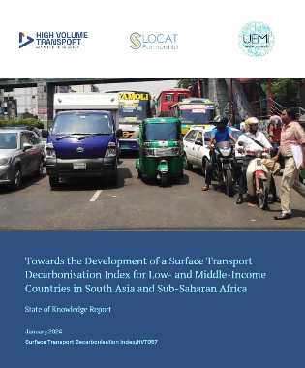
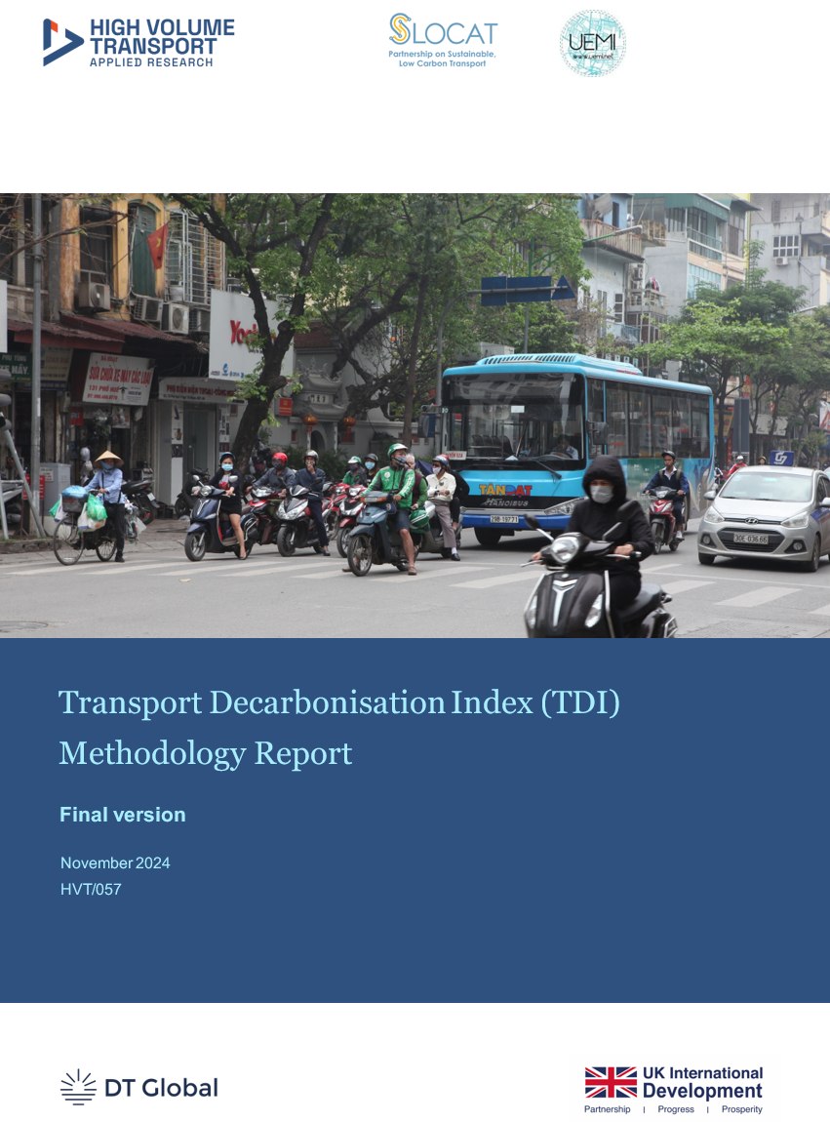
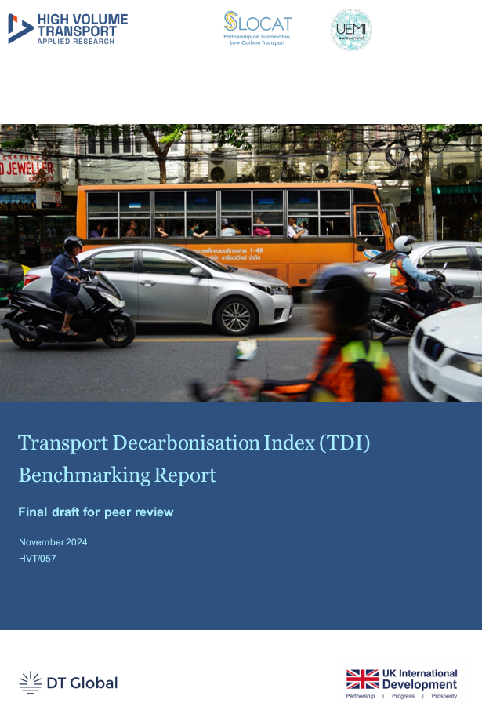
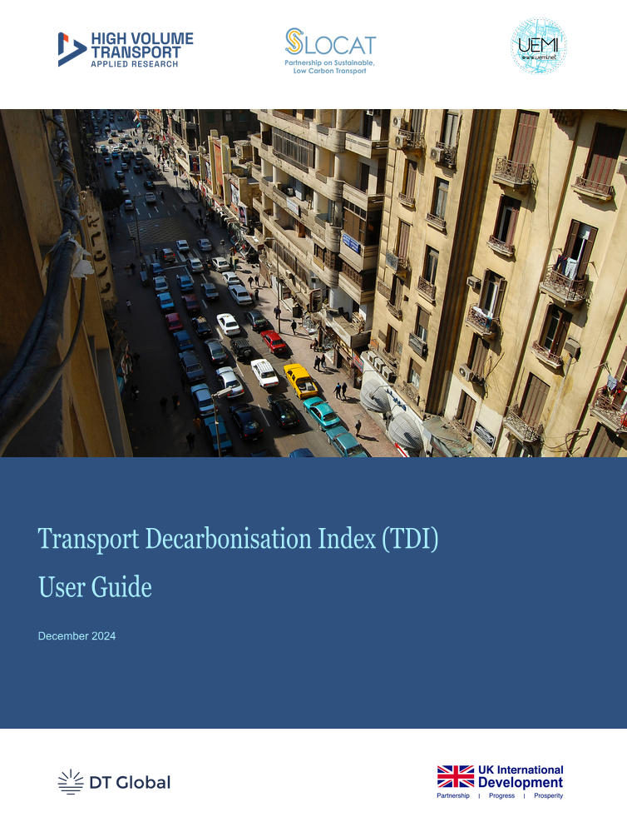

SLOCAT
SLOCAT is the international, multi-stakeholder partnership powering systemic transformations and a just transition towards equitable, healthy, green and resilient transport and mobility systems for the people and the planet. We deliver on our mission through co-creation, co-leadership and co-delivery across knowledge, advocacy and dialogue activities in the intersection between transport, climate change and sustainability. Our multi-sectoral Partnership engages a vibrant and inclusive ecosystem across transport associations, NGOs, academia, governments, multilateral organisations, philanthropy and business; as well as a large community of world-class experts and change-makers. Going where others do not or cannot go individually, our Partnership is leveraged to set ambitious global agendas and catalyse progressive thinking and solutions for the urgent transformation of transport and mobility systems worldwide.

Visit website: | https://slocat.net/

UEMI
The Urban Electric Mobility Initiative (UEMI) is a global movement driving the transition to cleaner, more livable cities through electric transportation solutions. Launched by UN-Habitat in 2014, UEMI brings together industry leaders, governments, and cities to achieve a shared vision: 30% electric vehicles in cities by 2030. With commitments from industry and government, UEMI functions as an open forum for knowledge transfer and support for the take-up of e-mobility solutions around the world. It initiates a process of dialogue and continue to gather commitments from local and national governments as well as businesses on e-mobility targets. The Action Platform has been established with a work programme setting out voluntary international, national and city targets on e-mobility such as the global market share of electric vehicles and total number of passenger kilometres travelled on e-vehicles. While these targets will be voluntary in nature, a global monitoring system will be developed to track progress on implementation. |  |  | 

Visit website: | https://www.uemi.net/

Funded by
This research was funded by UK International Development through the UK Foreign, Commonwealth & Development Office under the High Volume Transport Applied Research Programme, managed by DT Global International Development UK Ltd (DT Global).

2 - TDI Score
TDI SCORE

This sheet features: • The score for each dimension. • A visualisation of the dimensions results. • Explanations on how to interpret the score. • The indicator scores are shown as well.
The eight dimensions of the TDI reflect the key characteristics of transport, climate and sustainability. The dimension scores are given from 0 to 1 for the each respective dimension.

Country: | please fill out
Date of assessment: | please fill out

Dimension | Dimension score (higher is better, 1 is the highest score) | Score is based on (number of available indicators) | Total possible indicators | Explanation about scores:
Passenger transport and mobility system |  | 0 | 7 | In general: A higher score reflects a better performance for the indicators under this dimension. The highest potential score is 1, the lowest score is 0.
Passenger vehicles |  | 0 | 4
Freight system and vehicles | 0.00 | 1 | 3
Emissions |  | 0 | 2 | Indicators are scored against categories or specific thresholds identified through performance comparisons across all countries or derived from literature. The scores reflect the relative performance of the available data. IMPORTANT: Results become more precise as more indicators are included. Column C shows how many of the potential indicators (Column D) were included in the assessment for your data.
Finance and economics |  | 0 | 2
Governance | 0.00 | 3 | 3
Energy |  | 0 | 5
Context |  | 0 | 4

Visualisations of the TDI result:
Transport Decarbonisation Index results
 | Dimension score (higher is better, 1 is the highest score)
Passenger transport and mobility system | 0.00
Passenger vehicles | 0.00
Freight system and vehicles | 0.00
Emissions | 0.00
Finance and economics | 0.00
Governance | 0.00
Energy | 0.00
Context | 0.00
Transport Decarbonisation Index results
 | Dimension score (higher is better, 1 is the highest score)
Passenger transport and mobility system | 0.00
Passenger vehicles | 0.00
Freight system and vehicles | 0.00
Emissions | 0.00
Finance and economics | 0.00
Governance | 0.00
Energy | 0.00
Context | 0.00

Related policy recommendations to the TDI score:

Depending on the results, some policy measures might be considered. Please explore relevant material on policy recommendations in the sheet 1.d - Policy Guidance.

 |  |  | Illustrative, non-prescriptive advice on policy actions for these two areas:
Two lowest-scoring dimensions*: | Freight system and vehicles |  | • Medium- and heavy-duty vehicle taxes (based on pollution, size, usage) • Medium- and heavy-duty vehicle import regulations (including bans) • Medium- and heavy-duty vehicle air pollution emission standards • Electric charging infrastructure for medium- and heavy-duty vehicles • Electric vehicle procurement (focusing on freight vehicles) • Electric vehicle import levies (focusing on freight vehicles) • Domestic production of electric vehicles • Shifting freight movement to more sustainable modes (rail, shipping) • Reduce empty load running by trucks, route optimisation, asset sharing
 | and
 | Freight system and vehicles |  | • Medium- and heavy-duty vehicle taxes (based on pollution, size, usage) • Medium- and heavy-duty vehicle import regulations (including bans) • Medium- and heavy-duty vehicle air pollution emission standards • Electric charging infrastructure for medium- and heavy-duty vehicles • Electric vehicle procurement (focusing on freight vehicles) • Electric vehicle import levies (focusing on freight vehicles) • Domestic production of electric vehicles • Shifting freight movement to more sustainable modes (rail, shipping) • Reduce empty load running by trucks, route optimisation, asset sharing
* Issues can occur if several dimensions have the same low score.

Individual indicator scores:

1. Passenger transport and mobility system
Indicator | Individual score
1.a Share of collective transport in total passenger-kilometres
1.b Public transport (bus, rail) system extent
1.c Share of population near frequent public transport
1.d Share of population near protected bikeways
1.e Walkability score
1.f Infrastructure investment
1.g Rural transport access

2. Passenger vehicles
Indicator | Individual score
2.a Passenger vehicle CO2
2.b Light-duty zero-emission vehicle sales
2.c Two/three-wheeler zero-emission vehicle sales
2.d Bus zero-emission vehicle sales

3. Freight system and vehicles
Indicator | Individual score
3.a Share of rail and inland water in national freight activity
3.b Truck vehicle emissions ratings | 0.00
3.c Zero-emission vehicle truck sales

4. Emissions
Indicator | Individual score
4.a Per capita transport CO2
4.b Historical transport CO2 growth

5. Finance and economics
Indicator | Individual score
5.a Fossil fuel subsidies
5.b Climate-related official development assistance

6. Governance
Indicator | Individual score
6.a Transport climate targets | 0.00
6.b Clean fuel regulatory policy strength | 0.00
6.c Vehicle pollutant emissions standards | 0.00

7. Energy
Indicator | Individual score
7.a Share of renewables in electricity generation
7.b Share of zero-emission fuels in transport
7.c Carbon intensity of electricity system
7.d Road transport fuel prices (diesel)
7.e Road transport fuel prices (petrol)

8. Context
Indicator | Individual score
8.a Share of paved road infrastructure
8.b Deaths attributed to ambient air pollution
8.c Road safety (deaths)
8.d Awareness and support for climate policies / investments

